Readme
 Climate Change Adaptation (CCA) of SMEs

Climate Expert Worksheets for CCA Strategy Development
The worksheets and underlying methodology presented in this Excel tool seek to support small and medium enterprises (SMEs) in assessing climate-related risks, identifying opportunities and developing adaptation strategies. They can be used by companies independently, by consultants supporting SMEs in developing a CCA strategy, or by trainers implementing awareness raising and or strategy development workshops with companies or consultants. The methodology and worksheets have been developed within a series of projects on CCA and SME competitiveness by the Deutsche Gesellschaft für Internationale Zusammenarbeit (GIZ) GmbH and its knowledge partner adelphi on behalf of the German Federal Ministry for Economic Cooperation and Development (BMZ).
Overview on the methodology and tools
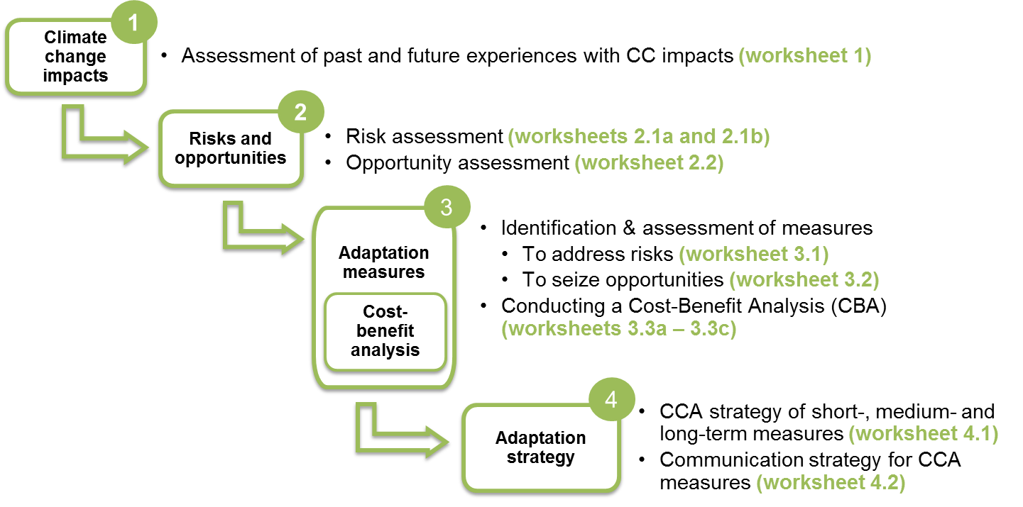
The worksheets build on a four-step methodology for developing a CCA strategy of SMEs.The worksheets facilitate the practical implementation of each step: | Time required | Company resources | Location of assessment

Technical notes
· The worksheets are provided in printer-ready format. · All worksheets contain comments with suggestions on how to conduct the particular assessments. The comments can be shown through the function "show/hide comments" · The worksheets can be adapted to specific company contexts, i.e. texts can be changed and assessment categories can be added.
Additional material
To support MSMEs and training organisations in applying the methodology and tools, capacity building material has been developed featuring:
ü Real and fictitious case studies describing climate change effects and adaptation measures ü A list of Frequently Asked Questions (FAQ) to answer the most important questions on adaptation and SMEs ü The online adaptation course "Becoming a Climate Expert" developed for SMEs which guides users through the process of CCA strategy development ü A Consultant's Manual which explains in detail how the methodology and worksheets can be applied in a company setting
All tools are available for usage or download on the Climate Expert Website (www.climate-expert.org).

3.3b - CBA - EXAMPLE
BENEFITS of adaptation measures: Simple example

Example of a CC matrix and benefit calculation - What do they values in the CC matrix mean?
 |  |  |  |  | In the baseline CC scenario, the storm causes costs of USD 1000$. As this is the baseline scenario, the impact factor is 1 (it would also be 1 if costs amounted to 5000$, 7564$ or any other amount). The storm is this strong every year and has thus an annual probability of 100% In the severe CC scenario, the storm causes costs of 2500$, so the impact factor is 2,5 (because 1000$*2,5=2500$). The storm is this strong every five years, so twice in 10 years. The probability that a strong storm occurs is thus 2/10=20% In the drastic CC scenario, costs amount to 4500$ and the impact factor is 4.5. The storm is this strong every ten years (annual probability = 1/10 = 10%). The adaptation measure will help to completely avoid the negative effects of the storm, even in the strong and drastic scenarios. The measure is thus 100% effective for all three scenarios.

Illustration of the aggregated benefits per year (considering scenarios) - How are they calculated?
Benefit in Year 1 (formula) | (Av. Cost Year 1 * I1 * E1 * P1 ) | + (Av. Cost Year 1 * (I2-I1) * E2 * P2) | + (Av. Cost Year 1 * (I3-I2) * E3 * P3) | + CC-indep. benefits Year 1 | = Benefit / year 1
Benefit in Year 1 (calculation) | (1000$ * 1 * 100% * 100%) | + (1000 * (2,5-1) * 100% * 20%) | + (1000$ * (4,5-2,5) * 100% * 10%) | + 0 | = 1500$
 | 1000$ | + (1500$ * 20%) | + (2000$ * 10%) | + 0
 | 1000$ | + 300$ | + 200$ | + 0
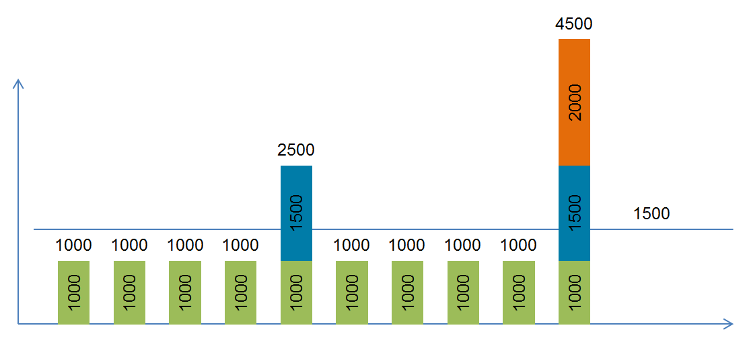 |  |  |  |  | The annual benefits are calculated by multiplying the cost for the baseline scenario by the subtracted* impact factor (I), the effectiveness (E) of the measure and the annual probability (P) of the impact. Then, the climate-independent benefits are added. * The impact factor has to be subtracted from the previous one because we are looking only at the additional costs of the severe and drastic scenarios. There is only 1 storm / year (baseline, severe OR drastic). Since in this example, the effectiveness of the adaptation measure is always 100%, it can be disregarded in the calculation. The climate-independent benefits are also disregarded as they are 0. If they were >0, they would be addedd to the annual costs. They would not be weighted by probability and effectiveness, as they are not affected by climate change.

