Readme
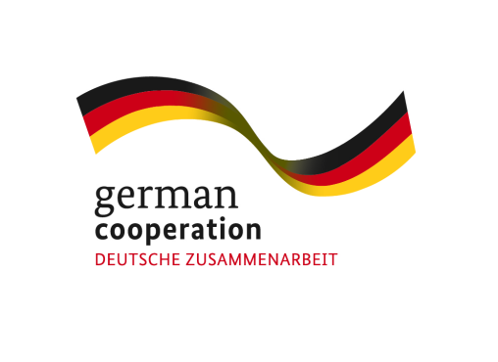 Climate Change Adaptation (CCA) of SMEs

Worksheets for CCA Strategy Development
The worksheets and underlying methodology presented in this file seek to support small and medium enterprises (SMEs) in assessing climate-related risks, identifying opportunities and developing adaptation strategies. They can be used by companies independently, by consultants supporting SMEs in developing a CCA strategy, or by trainers implementing awareness raising and or strategy development workshops with companies. The methodology and worksheets have been developed within a series of projects on CCA and SME competitiveness in India by the Deutsche Gesellschaft für Internationale Zusammenarbeit (GIZ) GmbH and its knowledge partner adelphi on behalf of the German Federal Ministry for Economic Cooperation and Development (BMZ).
Overview on the methodology and tools
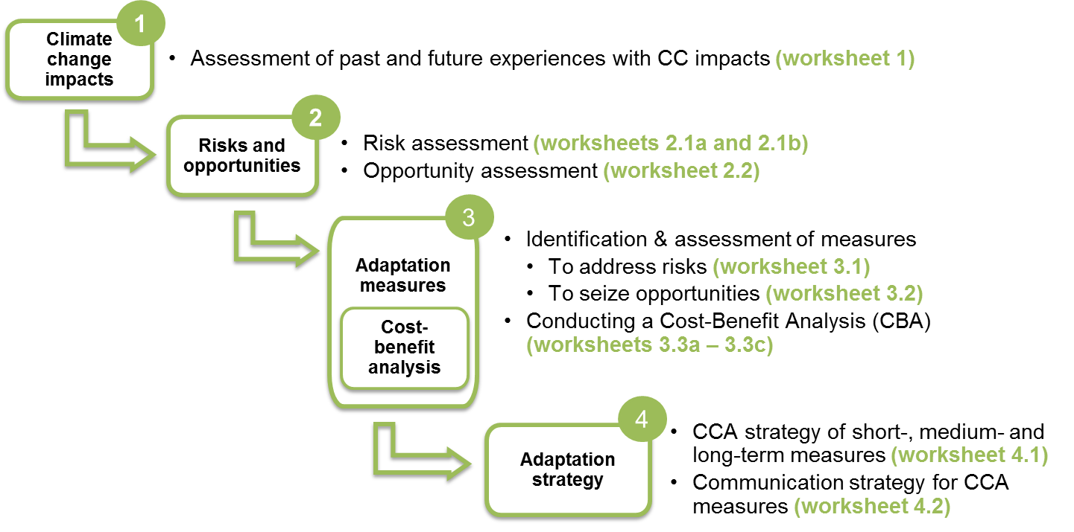
The worksheets build on a four-step methodology for developing a CCA strategy of SMEs.The worksheets facilitate the practical implementation of each step: | Time required | Company resources | Location of assessment

Technical notes
· The worksheets are provided in excel version 1997-2003 to allow for widespread usability. · The worksheets are provided in printer-ready format. · The worksheets are "frozen" so that the assessment categories and examples are always visible when filling in the worksheets. You can undo this function by clicking "unfreeze panes". · All worksheets contain comments with suggestions on how to conduct the particular assessments. The comments can be shown through the function "show/hide comments" · The worksheets can be adapted to specific company contexts, i.e. texts can be changed and assessment categories can be added.
Additional material
To support MSMEs and training organisations in applying the methodology and tools, a capacity building toolkit has been developed featuring:
ü Real and fictitious case studies describing climate change effects and adaptation measures ü A list of Frequently Asked Questions (FAQ) to answer the most important questions on adaptation and SMEs ü The online adaptation course "Becoming a Climate Expert" developed for SMEs which guides users through the process of CCA strategy development ü A Consultant's Manual (2014) which explains in detail how the methodology and worksheets can be applied in a company setting
All tools are available for usage or download on the Climate Expert Website (www.climte-expert.org).

